Job Details

Job Number & Name: | 35084 LB Bexley
Site Number/Name: | Site 18 - Bellegrove Road
Client: | Waterman
Date: | 2023-03-30

Site Plan
Advanced Transport Research |  |  | Job Number & Name: | 35084 LB Bexley
Site 18 - Bellegrove Road |  |  | Date: | 2023-03-30

Job Type: | Pedestrian & Vehicle Count
Co-ordinates: | 51°27'58.58"N, 0° 5'3.74"E | Postcode: | DA16 3RW |  | Times: | 0730-0930 1430-1630

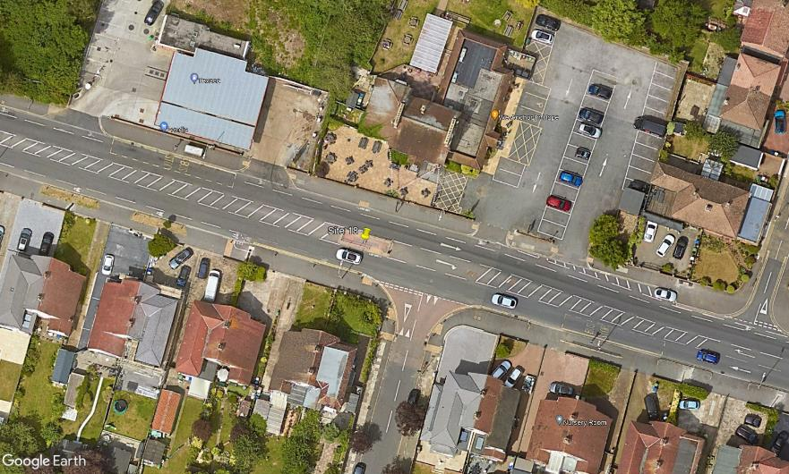
N

Bellegrove Road

2
1
D

C
A

B

3

Eastcote Road

